test1
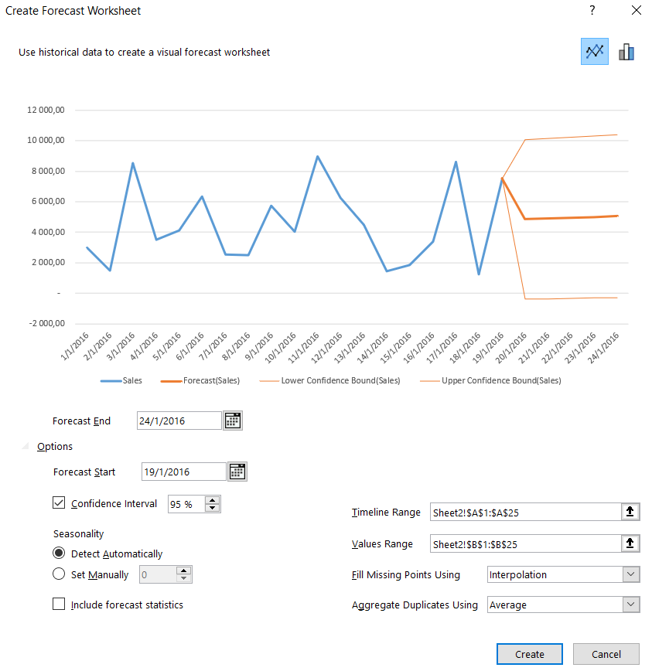
Date | Sales | Forecast(Sales) | Lower Confidence Bound(Sales) | Upper Confidence Bound(Sales) | Statistic | Value
2016-01-01 | 2,980.00 |  |  |  | Alpha | 0.10
2016-01-02 | 1,478.00 |  |  |  | Beta | 0.00
2016-01-03 | 8,523.00 |  |  |  | Gamma | 0.00
2016-01-04 | 3,528.00 |  |  |  | MASE | 0.88
2016-01-05 | 4,116.00 |  |  |  | SMAPE | 0.66
2016-01-06 | 6,325.00 |  |  |  | MAE | 2,621.18
2016-01-07 | 2,541.00 |  |  |  | RMSE | 2,938.34
2016-01-08 | 2,478.00
2016-01-09 | 5,750.00
2016-01-10 | 4,050.00
2016-01-11 | 8,963.00
 | Sales | Forecast(Sales) | Lower Confidence Bound(Sales) | Upper Confidence Bound(Sales)
 | 2,980.00
 | 1,478.00
 | 8,523.00
 | 3,528.00
 | 4,116.00
 | 6,325.00
 | 2,541.00
 | 2,478.00
 | 5,750.00
 | 4,050.00
 | 8,963.00
 | 6,250.00
 | 4,500.00
 | 1,440.00
 | 1,862.00
 | 3,392.00
 | 8,600.00
 | 1,256.00
 | 7,536.00 | 7536 | 7536 | 7536
 |  | 4847.5026234 | -393.95908298 | 10088.96433
 |  | 4900.1453098 | -367.98263894 | 10168.273259
 |  | 4952.7879963 | -342.39853045 | 10247.974523
 |  | 5005.4306827 | -317.20593552 | 10328.067301
 |  | 5058.0733691 | -292.40396295 | 10408.550701
2016-01-12 | 6,250.00
2016-01-13 | 4,500.00
2016-01-14 | 1,440.00
2016-01-15 | 1,862.00
2016-01-16 | 3,392.00
2016-01-17 | 8,600.00
2016-01-18 | 1,256.00
2016-01-19 | 7,536.00 | 7,536.00 | 7,536.00 | 7,536.00
2016-01-20 |  | 4,847.50 | -393.96 | 10,088.96
2016-01-21 |  | 4,900.15 | -367.98 | 10,168.27
2016-01-22 |  | 4,952.79 | -342.40 | 10,247.97
2016-01-23 |  | 5,005.43 | -317.21 | 10,328.07
2016-01-24 |  | 5,058.07 | -292.40 | 10,408.55

Passengers Forcast
Date | Airport Passengers | Forecast(Airport Passengers) | Lower Confidence Bound(Airport Passengers) | Upper Confidence Bound(Airport Passengers) | Statistic | Value
Jan-09 | 2,644,539 |  |  |  | Alpha | 0.25
Feb-09 | 2,359,800 |  |  |  | Beta | 0.00
Mar-09 | 2,925,918 |  |  |  | Gamma | 0.00
Apr-09 | 3,024,973 |  |  |  | MASE | 0.39
May-09 | 3,177,100 |  |  |  | SMAPE | 0.02
Jun-09 | 3,419,595 |  |  |  | MAE | 89,312.28
Jul-09 | 3,649,702 |  |  |  | RMSE | 117,922.60
Aug-09 | 3,650,668
Sep-09 | 3,191,526
Passegers Forecasting 95%
 | Airport Passengers | Forecast(Airport Passengers) | Lower Confidence Bound(Airport Passengers) | Upper Confidence Bound(Airport Passengers)
 | 2,644,539
 | 2,359,800
 | 2,925,918
 | 3,024,973
 | 3,177,100
 | 3,419,595
 | 3,649,702
 | 3,650,668
 | 3,191,526
 | 3,249,428
 | 2,971,484
 | 3,074,209
 | 2,785,466
 | 2,515,361
 | 3,105,958
 | 3,139,059
 | 3,380,355
 | 3,612,886
 | 3,765,824
 | 3,771,842
 | 3,356,365
 | 3,490,100
 | 3,163,659
 | 3,167,124
 | 2,883,810
 | 2,610,667
 | 3,129,205
 | 3,200,527
 | 3,547,804
 | 3,766,323
 | 3,935,589
 | 3,917,884
 | 3,564,970
 | 3,602,455
 | 3,326,859
 | 3,441,693
 | 3,211,600
 | 2,998,119
 | 3,472,440
 | 3,563,007
 | 3,820,570
 | 4,107,195
 | 4,284,443
 | 4,356,216
 | 3,819,379
 | 3,844,987
 | 3,478,890
 | 3,443,039
 | 3,204,637
 | 2,966,477
...
Oct-09 | 3,249,428
Nov-09 | 2,971,484
Dec-09 | 3,074,209
Jan-10 | 2,785,466
Feb-10 | 2,515,361
Mar-10 | 3,105,958
Apr-10 | 3,139,059
May-10 | 3,380,355
Jun-10 | 3,612,886
Jul-10 | 3,765,824
Aug-10 | 3,771,842
Sep-10 | 3,356,365
Oct-10 | 3,490,100
Nov-10 | 3,163,659
Dec-10 | 3,167,124
Jan-11 | 2,883,810
Feb-11 | 2,610,667
Mar-11 | 3,129,205
Apr-11 | 3,200,527
May-11 | 3,547,804
Jun-11 | 3,766,323
Jul-11 | 3,935,589
Aug-11 | 3,917,884 |  |  |  | Please review
Sep-11 | 3,564,970
Oct-11 | 3,602,455 |  |  |  | Create a forecast in Excel for Windows
Nov-11 | 3,326,859 |  |  |  | https://support.microsoft.com/
Dec-11 | 3,441,693
Jan-12 | 3,211,600
Feb-12 | 2,998,119
Mar-12 | 3,472,440
Apr-12 | 3,563,007
May-12 | 3,820,570
Jun-12 | 4,107,195
Jul-12 | 4,284,443
Aug-12 | 4,356,216
Sep-12 | 3,819,379
Oct-12 | 3,844,987
Nov-12 | 3,478,890
Dec-12 | 3,443,039
Jan-13 | 3,204,637
Feb-13 | 2,966,477
Mar-13 | 3,593,364
Apr-13 | 3,604,104
May-13 | 3,933,016
Jun-13 | 4,146,797
Jul-13 | 4,176,486
Aug-13 | 4,347,059
Sep-13 | 3,781,168 | 3,781,168 | 3,781,168 | 3,781,168
Oct-13 |  | 3,858,196 | 3,695,827 | 4,020,566
Nov-13 |  | 3,562,680 | 3,395,234 | 3,730,125
Dec-13 |  | 3,633,798 | 3,461,388 | 3,806,209
Jan-14 |  | 3,366,457 | 3,189,182 | 3,543,732
Feb-14 |  | 3,110,903 | 2,928,857 | 3,292,949
Mar-14 |  | 3,614,670 | 3,427,939 | 3,801,401
Apr-14 |  | 3,666,432 | 3,475,095 | 3,857,769
May-14 |  | 3,960,805 | 3,764,936 | 4,156,674
Jun-14 |  | 4,182,886 | 3,982,553 | 4,383,219
Jul-14 |  | 4,367,447 | 4,162,715 | 4,572,180
Aug-14 |  | 4,363,455 | 4,154,383 | 4,572,528
Sep-14 |  | 3,954,015 | 3,740,659 | 4,167,372
Oct-14 |  | 4,031,044 | 3,813,424 | 4,248,664
Nov-14 |  | 3,735,527 | 3,513,726 | 3,957,329
Dec-14 |  | 3,806,646 | 3,580,709 | 4,032,582
Jan-15 |  | 3,539,305 | 3,309,277 | 3,769,332
Feb-15 |  | 3,283,750 | 3,049,673 | 3,517,827
Mar-15 |  | 3,787,518 | 3,549,430 | 4,025,605
Apr-15 |  | 3,839,280 | 3,597,219 | 4,081,340
May-15 |  | 4,133,652 | 3,887,654 | 4,379,651
Jun-15 |  | 4,355,733 | 4,105,830 | 4,605,636
Jul-15 |  | 4,540,295 | 4,286,519 | 4,794,070
Aug-15 |  | 4,536,303 | 4,278,685 | 4,793,920
Sep-15 |  | 4,126,863 | 3,865,432 | 4,388,294

